Final Inspection and after HT
RULE |  | Lead and Profile Graph Check Rule (Final Data Judgement) |  |  |  |  |  |  |  |  | ISD-QA-023 | DATE :12.08.14
 |  |  |  |  |  |  |  |  |  |  |  | Issue 01 | Rev. 00

Tooth Profile Final Data (After HT) Judgement Standard
※Value judgement method of final tooth profile data

○ = Within 80% of Specs △ = 80.1 ～ 100% of Specs × = Out of specs.
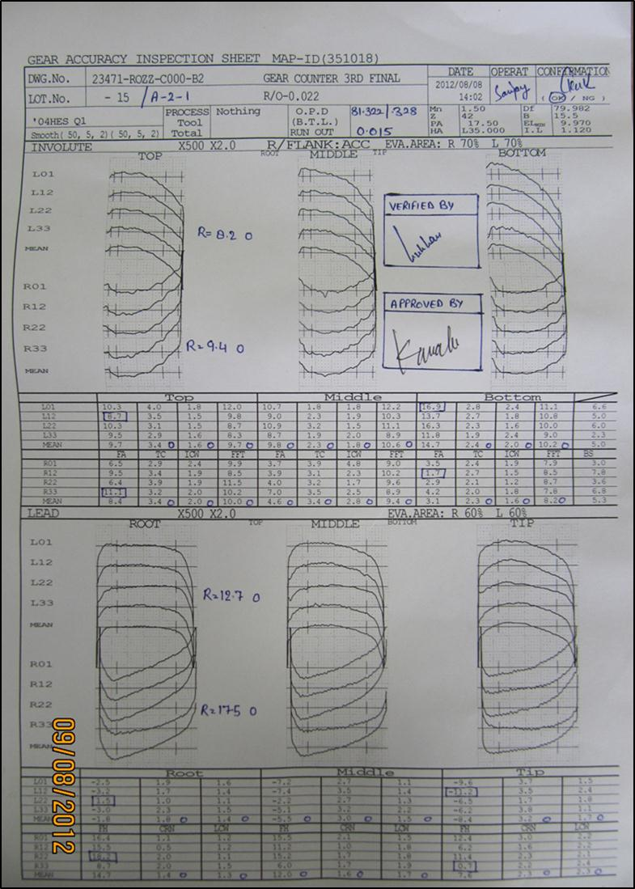
Sno Number & lot no check

1
2
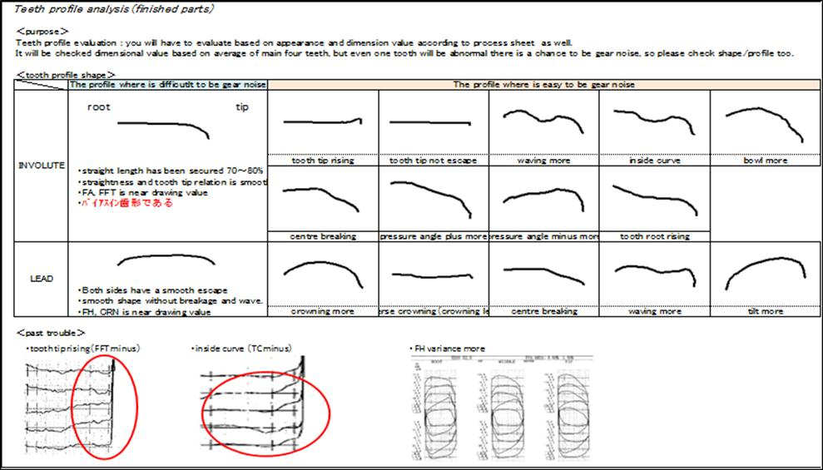

Evaluation : o
Evaluation : X

Please fill OBD size & Run
out values (HAPPY SAN)

3

To fill range value
& judge

4

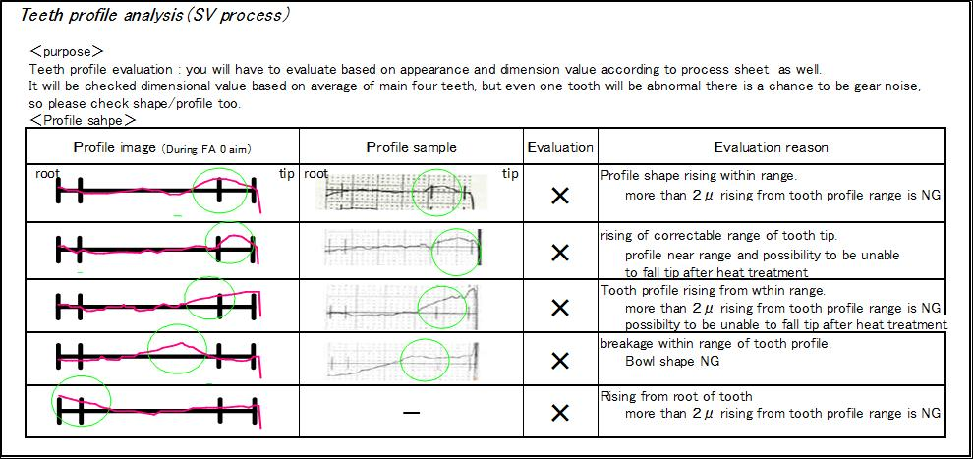
Place judgement of SV tooth profile （○ △ ×）
(Base on Drawing & SV specs)

To fill range value
& judge

Place judgement of SV tooth profile （○ △ ×）
(Base on Drawing & SV specs)

 | FINAL |  |  | SIGN | Responsible Section | Person Incharge |  | Check Point
 | Often to see when the event |  |  | 1st Sign | Lead & Profile machine operator | Varun San |  | Stamp with Ok/NG Judgement, range calculation, circle and triangle marking, Sno/Lot no marking
 | 100 % parts graph check during event. |  |  | 2nd Sign | Process QA Engg | Nishat San |  | Confirmation : OK/NG Gudgement
 | Event : DANKAKU, HINKAKU,RYOKAKU |  |  | 3rd Sign | Final Inspection QA Engg | Happy San |  | Verification, (OK/NG, part sr no & graph no)
 | When shipped to the customer will not appear △ (NG might be mistaken for customer) |  |  | 4th Sign | Japanese Lead Member | Tomiyasu San/Kawabe San |  | Final Approval (OK/NG)
 | Matching of Himoski Data (Graph Sr no & part no should match with each other)
 | Massproduction:
 | As per the frequency given in process sheet

 |  |  |  |  |  |  |  | 0 | 12.08.2012 | New Releases
 |  |  |  |  |  |  |  | Rev.No. | Date | Description

Prepared By |  |  | Checked By |  |  |  | Approved By

